Sheet1
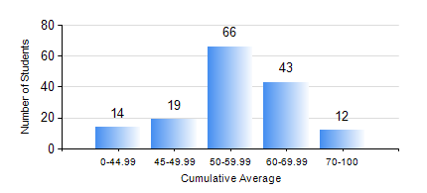
 |  |  | KWAME NKRUMAH UNIVERSITY OF SCIENCE AND TECHNOLOGY, KUMASI Department of Agricultural and Biosystems Engineering

 |  |  | BSC. AGRICULTURAL ENG.

 |  |  | COMPREHENSIVE RECORD OF EXAMINATION RESULTS

 |  |  | RESULTS OF YEAR 1 SECOND SEMESTER, 2024/2025 ACADEMIC YEAR

 | Sn | Course Code |  | Course Name | Credit Hours | Min. Mark | Max. Mark | Avg. Mark | Std. Dev. | No. Passed | No. Trailed | No. (Df) | No. (I) | No. (I*) | No. Tagged(I,I*,Df) | Total
 | 1. | AE 158 |  | INTRODUCTION TO INFORMATION TECHNOLOGY | 2 | 0 | 87 | 58 | 15.21 | 145 | 9 | 0 | 0 | 0 | 0 | 154
 | 2. | AE 162 |  | BASIC AGRICULTURE | 2 | 0 | 89 | 55 | 13.59 | 149 | 5 | 0 | 0 | 0 | 0 | 154
 | 3. | AE 196 |  | ENGINEERING WORKSHOP PRACTICE | 1 | 0 | 82 | 63 | 11.5 | 149 | 5 | 0 | 0 | 0 | 0 | 154
 | 4. | EE 152 |  | BASIC ELECTRONICS | 3 | 0 | 93 | 56 | 15.37 | 142 | 12 | 0 | 0 | 0 | 0 | 154
 | 5. | ENGL 158 |  | COMMUNICATION SKILLS II | 2 | 0 | 81 | 58 | 13.31 | 145 | 9 | 0 | 0 | 0 | 0 | 154
 | 6. | MATH 152 |  | CALCULUS WITH ANALYSIS | 4 | 0 | 81 | 50 | 9.56 | 150 | 3 | 0 | 1 | 0 | 1 | 154
 | 7. | ME 160 |  | ENGINEERING DRAWING | 3 | 0 | 87 | 51 | 14.66 | 135 | 18 | 0 | 1 | 0 | 1 | 154
 | 8. | ME 162 |  | BASIC MECHANICS | 3 | 0 | 92 | 55 | 12.85 | 149 | 5 | 0 | 0 | 0 | 0 | 154

